TestSummary
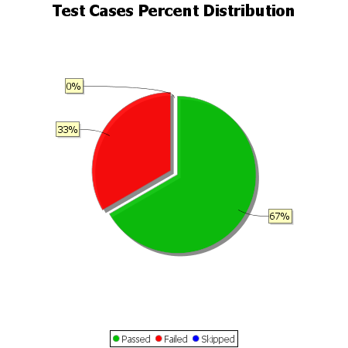
Total Test Cases | 12
Test Cases Passed | 8
Test Cases Failed | 4
Test Cases Skipped | 0

